Instructions
Savings Tracker Instructions
Before you use this Spending/Savings Tracker Tool please read these directions! They will make using this form MUCH easier!

Note: This Page is an EXAMPLE ONLY!
After reading, begin using this tool by clicking a month on the Tabs at the bottom!

STEP 1:
1. ONLY type data into the GREEN areas. Do Not type into any of the pink areas, they are formula driven and will automatically update!

STEP 2:
2. Start on the "Total Spending Summary" Tab by entering your budget for each month in the GREEN column.
On each Monthly Tab you will see how much you still have "Available to Spend" (and it will
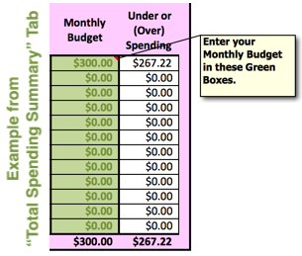
automatically update) as you add each of your shopping trips.



STEP 3:
3. Add a shopping trip on each of the Monthly Tabs (only type in the GREEN columns) :
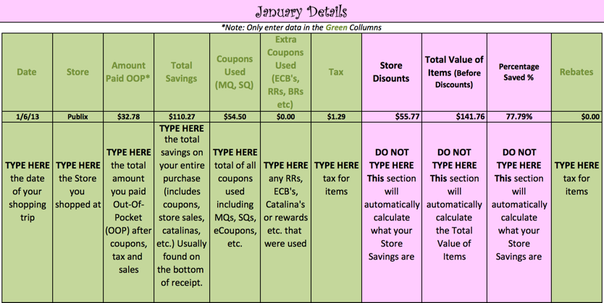

 | I have entered a "sample/example" on the January Tab, if you want to see all the nitty gritty details of that trip, go to
 | http://truecouponing.com/2013/01/shopping-trip-time-almost-145-in-groceries-for-just-33-not-extreme-this-is-real-life-people/
 | On the January Tab, just type right over my numbers to tract your own savings journey!

STEP 4:
4. Automatically, after you start entering your shopping trips, the totals from each trip will add together at the top of each page
(DO NOT TYPE IN THAT TOP SECTION):
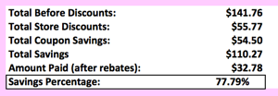

Do not type in ANY of these boxes. They are all automatically populated and will calculate for you!

STEP 5:
5. Your totals for every month will be on the "Total Spending Summary" Sheet. This will show you (at a glance), the totals for each month
and the last row shows the Total for the Year!

STEP 6:
6. Please Note: This file has been developed for your personal use only. Any other use requires my explicit and written permission.
It is copywritten by TrueCouponing.com. Making this spreadsheet available as a download on your blog or website is strictly
prohibited. We would love for you to please tell others about it, BUT we ask that you please not share the file directly. Please
send them to www.TrueCouponing.com/CouponSavingsTracker to download for themselves. This file took a massive amount
of time to develop. It is just the right thing to do. Thank you!

Once you've saved this file to your personal computer, you are welcome to make any modifications on your copy for your personal use.

 |  | ©2015 TrueCouponing.com™

